Sheet1
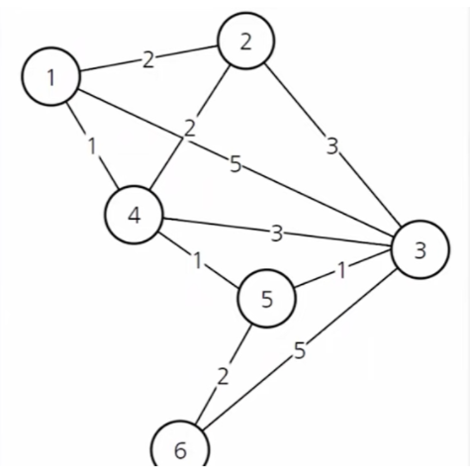
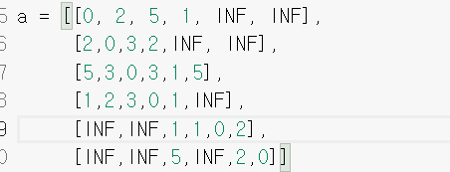
start = 0

 | 잴 짧은 거리가 index= 3 | j
i=0 | current= 3 | j=1 | d[current]= 1 | a[current][j]=2 | d[j] = 2
 |  | j=2 | d[current]= 1 | a[current][j]=3 | d[j] = 5
 |  | j=4 | d[current]= 1 | a[current][j]=1 | d[j] = INF
 |  | j=5 | d[current]= 1 | a[current][j]=INF | d[j] = INF
i=1 | current=1 | j=2
 |  | j=4
 |  | j=5
i=2 | current=4 | j=2
 |  | j=5
i=3 | current=2 | j=5

